1. Title Page
[Project Name]

Project Name:
Date:
Analyst Name:

Contents:
Population Flow
Consistency checks
Wrangling steps
Column derivations
Visualizations
Recommendations

2. Population flow
Title page

Population flow

Exclusion flag
Condition: max_order < 5
Observations to be removed: 1440295
Final total count of order_products_all: 30964564

Orders_products_combined
Orders_products_merged
FINAL

Total:32,404,859
Total:32,434,489
Total: 30,964,564

1.) The grey boxes in the first row of the population flow represent the original data sets as they were when you downloaded them. In the Total fields you need to add the count of the rows when you imported the data set into Jupyter.
2.) The second row of boxes (coloured) represents the data sets after you manipulated them, e.g., removed missing values and duplicates. In the Total fields you need to add the count of the rows after conducting these operations. This offers a visual oveview of how the data flows throughout the data consistency checks.
3.) The third row, where also the arrows are coloured, represents the merges you performed between the datasets. In the Total fields you need to add the count of the rows in the merged datasets, so that you end up with the final dataset (in the red box). Keep in mind the final dataset should be without exclusions (based on the exclusion flag).

3. Consistency checks
Consistency checks

Dataset | Missing values | Missing values treatment | Duplicates
orders | 206209 | These are first orders, no changes required | None
products | 16 | removed | 5, removed
orders_products_prior | 0 |  | 0
customers | 0 |  | 0

4. Wrangling steps
Wrangling steps

Columns dropped | Columns renamed | Columns' type changed | Comment/Reason
eval_set' from orders |  |  | data was not relevant for analysis
 | orders_dow to orders_day_of_week from orders |  | new name is more clear for the reader
 |  | order_id' into string from orders.csv | changed to str
 |  | user_id' into string from orders.csv | changed to str
 | days_since_prior_order to days_since_last_order from orders |  | new name is more clear for the reader
 | Surnam to Surname in customers |  | new name is more clear for the reader
 | STATE to State in customers |  | new name is more clear for the reader
 |  | First_name into string from customers.csv | changed to str
 |  | user_id into string from customer | changed to str
 |  | user_id into string from orders | changed to str

5. Column derivations
Column derivations and aggregations

Dataset | New column | Column/s it was derived from | Conditions | Frequency
orders_products_merged | price_range_loc | prices | prices<=15&prices>5:'Mid range product' | 21860860
 |  |  | prices<=5:'Low range product' | 9900417
 |  |  | prices>15:'High range product' | 643582
orders_products_merged | busiest_day |  | if value==4 | Regularly busy 22416875
 |  |  | if value==0 | Busiest day 6204182
 |  |  | else | Least busy 3783802
orders_products_merged | busiest_days | orders_day_of_week | else | Regularly busy 12916111
 |  |  | if 0 or 1 | Busiest days 11864412
 |  |  | if 4 or 3 | Least busy days 7624336
orders_products_merged | busiest_period_of_day | order_hour_of_day | if hour in 10,11,14,15,13,12,16,9 | Most orders 21118071
 |  |  | if hour in 17,8,18,19,20,7,21,22 | Average orders 9997651
 |  |  | else | Fewest orders 1289137
orders_products_merged | loyalty_flag | max_order | max_order is <=40 &>10 | Regular Customer 15876776
 |  |  | max_order>40 | Loyal Customer 10284093
 |  |  | max_order<=10 | New Customer 6243990
orders_products_merge | spending_flag | avg_price | avg_price<10 | Low Spender 31770614
 |  |  | avg_price>=10 | High Spender 634245
orders_products_merged | customer | median_frequency | median_frequency<=10 | Frequent customer 21559853
 |  |  | median_frequency>10&median_frequency<=20 | Regular customer 7208564
 |  |  | median_frequency>20 | Non frequent customer 3636437
customers_merged | region | state |  | South 10791885
 |  |  |  | West 8292913
 |  |  |  | Midwest 7597325
 |  |  |  | Northeast 5722736
customers_merged | activity_of_customer | max_order | max_order>=5 | High order customer 30964564
 |  |  | max_order<5 | Low order customer 1440295
customers_merged | age_flag | age_flag | age<=60&age<=40 | Middle-age 9703524
 |  |  | age<=40 | Young adult 111484333
 |  |  | age>60 | 10112607
customers_merged | income_flag | income_flag | income<=100 & income>30k | Middle income 1923165634049676
 |  |  | income>100 | High income 14207028
 |  |  | income<=30k | Low income 194132
customers_merged | family_flag | kids_flag | n_depandants=0 | kids 23224883
 |  |  | n_depandants==0 | no-kids 7739681

6. Visualizations
 |  |  |  |  | Title page

Visualisations
Visualisations

In this tab you should include all the visualtions from Exercises 4.9 and 4.10, alongside the questions from the project brief that they answer. Include any commentary on the relationship between different variables.

1. What are the busiest days of the week and busiest hours of the day??

1. Busiest days of the week and busiest hours of the day


 |  |  | The bar chart shows the number of orders on the y axis and the days of the week on the x axis, to be read as follows:
 |  |  | 0=Saturday
 |  |  | 1=Sunday
 |  |  | 2=Monday
 |  |  | 3=Tuesday
 |  |  | 4=Wednesday
 |  |  | 5=Thrusday
 |  |  | 6=Friday
 |  |  | Saturday, Sunday and Friday are the busiest days of the week.



 |  |  | The histogram plot shows the number of orders on the y-axis and the hours of the day on the x-axis.
 |  |  | The busiest time of the day is between 9 to 17.

2. Times of the day when user generate the highest AOV



 |  |  | The chart shows the AOV and the hour of the day.
 |  |  | Users seems to spend similar amounts independently from the hour of the day.
 |  |  | AOV decreases slightly around 10 AM, but not in a dramatic way.

3. Instacart has a lot of products with different price tags. Marketing and sales want to use simpler price range groupings to help direct their efforts.
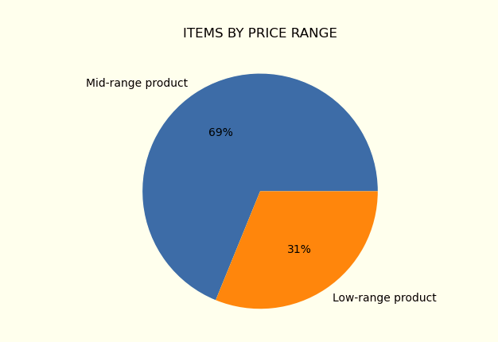

 |  |  | In the chart we can see the split by product price
 |  |  | between 5 and 15:Mid range product
 |  |  | less than or equal to 5:'Low range product'
 |  |  | higher than 15:'High range product'
 |  |  | 69 % products are in the mid-range price
 |  |  | 31% products are in the low-range price

4. Are there certain type of products that are more popular than others?

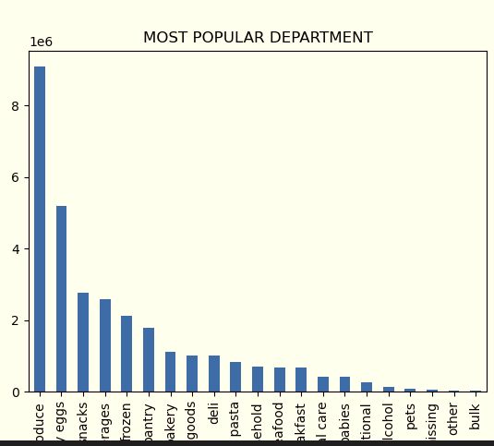

 |  |  |  | Produce,dairy eggs and snacks are the most popular category

5.a What’s the distribution among users in regards to their brand loyalty (i.e., how often do they return to Instacart)?

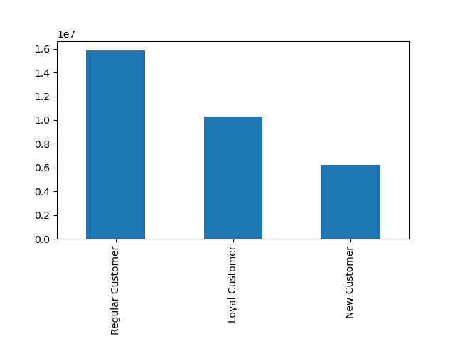

 |  |  |  | The distribution here shows the the customers loyalty.
 |  |  |  | If max_order is <=40 & >10 then Regular customer
 |  |  |  | If max_order>40 then Loyal customer
 |  |  |  | If max_order<=10 then New customer
 |  |  |  | Regular customers are the most representative segment

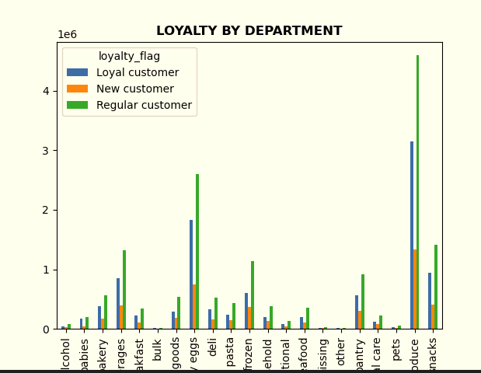
5.b Are there differences in ordering habits based on a customer’s loyalty status?

 |  |  | The chart shows the amount of orders per department based on customer's loyalty status.
 |  |  | There does not seem to be behavioural differences across customers based on their loyalty

5.c Are there differences in ordering habits based on a customer’s region?
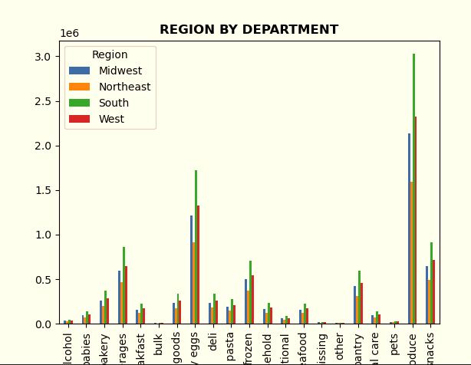

 |  | The chart shows the orders per departments based on customer's regions
 |  | The graphs does not show any large difference in purchasing habits

5.d Is there a connection between age and family status in terms of ordering habits?
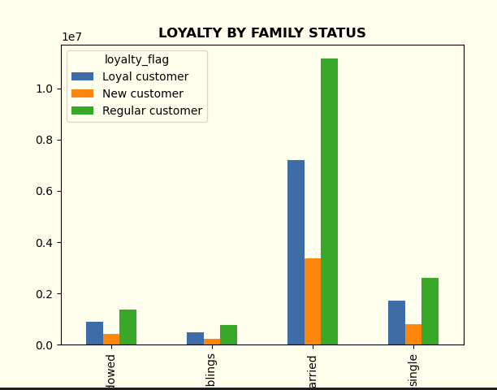
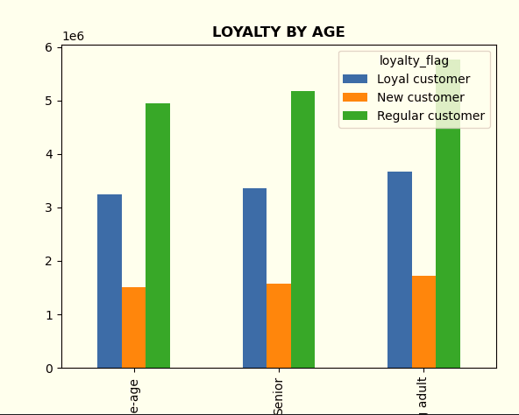

 |  |  |  |  |  |  | In the two charts we see the loyalty by age and by family status.
 |  |  |  |  |  |  | There are no remarkable differences in the 3 groups
 |  |  |  |  |  |  | Loyalty:
 |  |  |  |  |  |  | max_order is <=40 &>10 | Regular Customer
 |  |  |  |  |  |  | max_order>40 | Loyal Customer
 |  |  |  |  |  |  | max_order<=10 | New Customer

5.e What different classifications does the demographic information suggest? Age? Income? Certain types of goods? Family status?

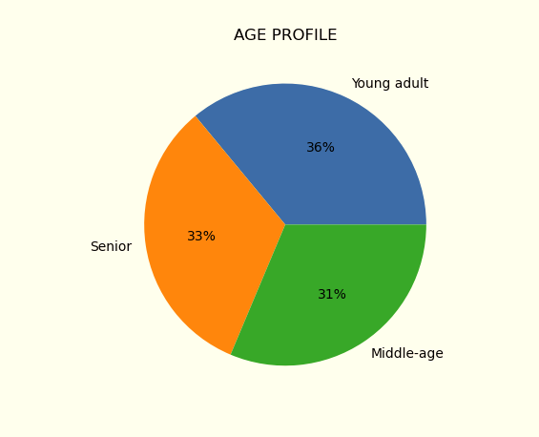
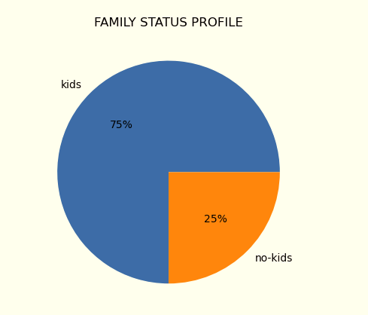
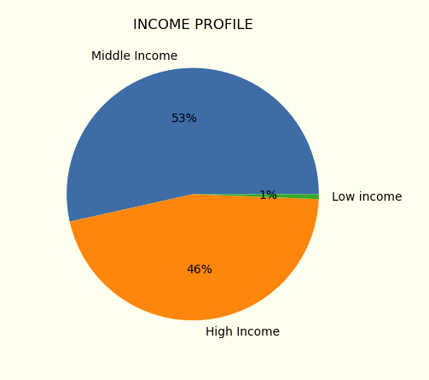

 | Customer age range seems to be splitted evenly across age groups |  |  | Families with kids represent the 75% of our customers |  | Middle income customers represent the majority of our customers

5.f What differences can you find in ordering habits of different customer profiles?

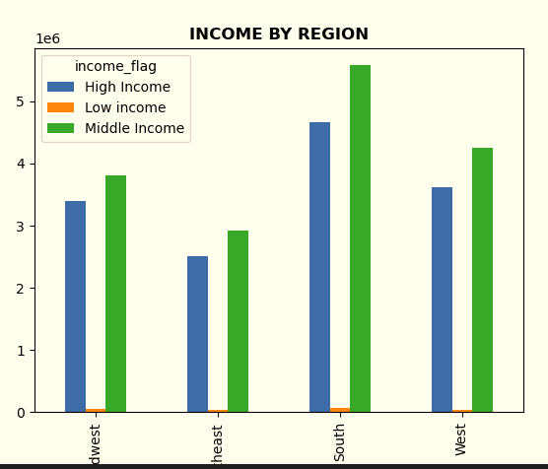
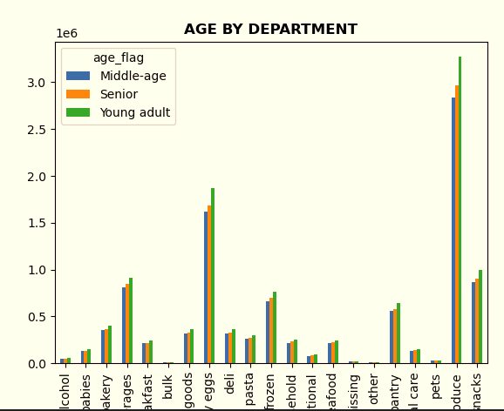
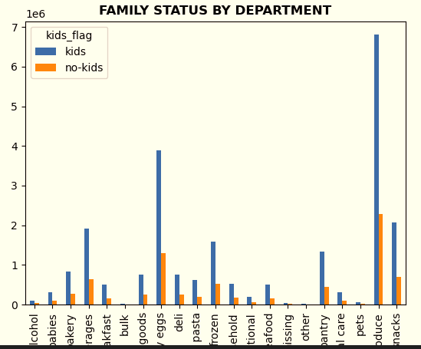

Customer with kids purchase the most products, and this is especially true for bevergaes, produce and eggs.
High and middle income customers, which constitutes our customer base, are moslty located in the South

 | Middle age customers are highest in all region followed by young adult.
 | Middle income customers are highest in all region followed by Senior.
 | And family contributes the most in all region

7. Recommendations
 | Title page

Recommendations

Question
What are the busiest days and hours of the day?
Answer
Friday, Saturday and Sunday are the busiest days of the week. In these days, the busiest hours are 9 to 17. Reccomendation: schedule ads outside of these already busy timeframes.
Question
Which time of day has the highest AOV?
Answer
There is only a slight difference in terms of AOV, and that's during the early hours of the morning. I would not reccomend a focus on this specific timeframe, but we could run a small test to verify if users also react more positively to advertising.
Question
What are our price groupings?
Answer
69 % products are in the mid-range price, 31% products are in the low-range price.
Question
What are the most popular departments?
Answer
Eggs, snacks and produce are the most popular categories. We should investigate which factors make these categories so appreciated. Quality, price, packaging etc.
Question
What is the distribution of brand loyalty?
Answer
Regular and loyal customers constitutes the core of our business. Our goal should be to increase conversion rates from regular to loyal, and new to regular. Once or conversion rates are optimized, we could invest budgets in acquiring new costumers.
Question
Are there differences in ordering habits based on a customer’s loyalty status?
Answer
There does not seem to be behavioural differences across customers based on their loyalty
Question
Are there differences in ordering habits based on a customer’s region?
Answer
There does not seem to be behavioural differences across customers based on their region
Question
Is there a connection between age and family status in terms of ordering habits?
Answer
There does not seem to be remarkable differences
Question
What different classifications does the demographic information suggest?
Answer
Customer age range seems to be splitted evenly across age groups
Families with kids represent the 75% of our customers
Middle income customers represent the majority of our customers
Since we seem to be appealing to families with kids with a middle income, we might want to focus our marketing effort in advertising to this specific segment.
Question
What differences can you find in ordering habits of different customer profiles?
Answer
Customer with kids purchase the most products, and this is especially true for bevergaes, produce and eggs.
High and middle income customers, which constitutes our customer base, are moslty located in the South
Same as recommended above, this information helps us define how to better allocated our marketing efforts.

